metadata
File name | Bow-tie_CAUSES & standardised vocabularies
Created/amended by | Anita Franco (IECS); Tasman Crowe (UCD)
Created on | 4/16/2024
Last modified | 4/22/2024

File description | File created within WP5 of the EU project MARBEFES to provide standardised vocabularies for the CAUSES of biodiversity change (further distinguished into Activities and Pressures) as used in Bow-ties

File content: | Spreadsheet name | Lineage
 | CAUSES_Vocabulary1-Activities | Standardised vocabulary for human ACTIVITIES in/affecting the marine environment. • The terms for activities are identified by name and alphanumerical ID (see columns 'Causes_1.Activities_name' and 'New ID#'). • Activities are identified according to a hierarchycal classification: (the increasing Level # indicated an increasing detail at which the element is defined): Level 1: Theme (often corresponding to Sector, e.g., Tourism, Renewable energy generation); Level 2: Generic activity (within a sector/theme, defined in general terms); Level 3: Specific activity (within a generic activity, defined in more specific terms; Not an exhaustive list). Additional levels may be added for activities specified with more detail. Where the term/variable in the vocabulary expresses an indicator to measure the intensity of the activity (defined at a certain hierarchical level), the term '(indicator)' is added to the activity level and ID# (not an exhaustive list of indicators). • The basis for the vocabulary is the MSFD list of activities. Variables from Higher-level scenarios defined in Land2Sea project have also been integrated/harmonised in the vocabulary (see column 'Source'). • The hierarchical relations between the different activities are indicated in column 'ID# and relations' (==: equal to...; <<: included in / subset of...; >>: includes...) • Column 'Remarks' provides additional explanation where needed. • Column 'Land2Sea' provides original terms as used in Land2Sea high -level scenarios.
 | CAUSES_Vocabulary2-Pressures | Standardised vocabulary for anthropogenic PRESSURES through whch human activities affecting the marine ecosystem. • The terms for pressures are identified by name and alphanumerical ID (see columns 'Causes_2.Pressures_name' and 'New ID#' contain). • Pressures are identified according to a hierarchycal classification: (the increasing Level # indicated an increasing detail at which the element is defined): Level 1: Theme (summarysing the generic nature/agent of the pressure, e.g., biological, physical; Level 2: Generic pressure (within a theme, defined in general terms as the mechanism inducing a state change in biodiversity; e.g. input/spread of invasive species*); Level 3: Specific pressure (within a generic pressure, defined in more specific terms; Not an exhaustive list); Additional levels may be added for pressures specified with more detail. Where the term/variable in the vocabulary expresses an indicator to measure the intensity of the pressure (defined at a certain hierarchical level), the term '(indicator)' is added to the pressure level and ID# (not an exhaustive list of indicators) • The basis for the vocabulary is the MSFD list of pressures. Variables from Higher-level scenarios defined in Land2Sea project have also been integrated/harmonised in the vocabulary (see column 'Source'). Climate change as also been added to the list. • The hierarchical relations between the different pressures are indicated in column 'ID# and relations' (==: equal to...; <<: included in / subset of...; >>: includes...) • Column 'Remarks' provides additional explanation where needed. • Column 'Land2Sea' provides original terms as used in Land2Sea high -level scenarios.
 | CAUSES from BBT Bow-ties | This spreadsheet reports the causes of biodiversity change as indicated in the draft bow-ties (BTs) created by the BBTs in MARBEFES (March 2024) and harmonises them according to the standardised vocabularies above. • The elements indicated as causes in the draft BTs are reported in column 'Elements in draft BTs', with their source BT indicated in the column 'Source: BT generic theme (BBT#)'. • The elements from the draft BTs are categorised according to the standardised vocabularies for activities and pressures by reporting the term ID (as in 'New ID#' form the spreadsheets above). • Column 'Remarks' provides additional explanation where needed.

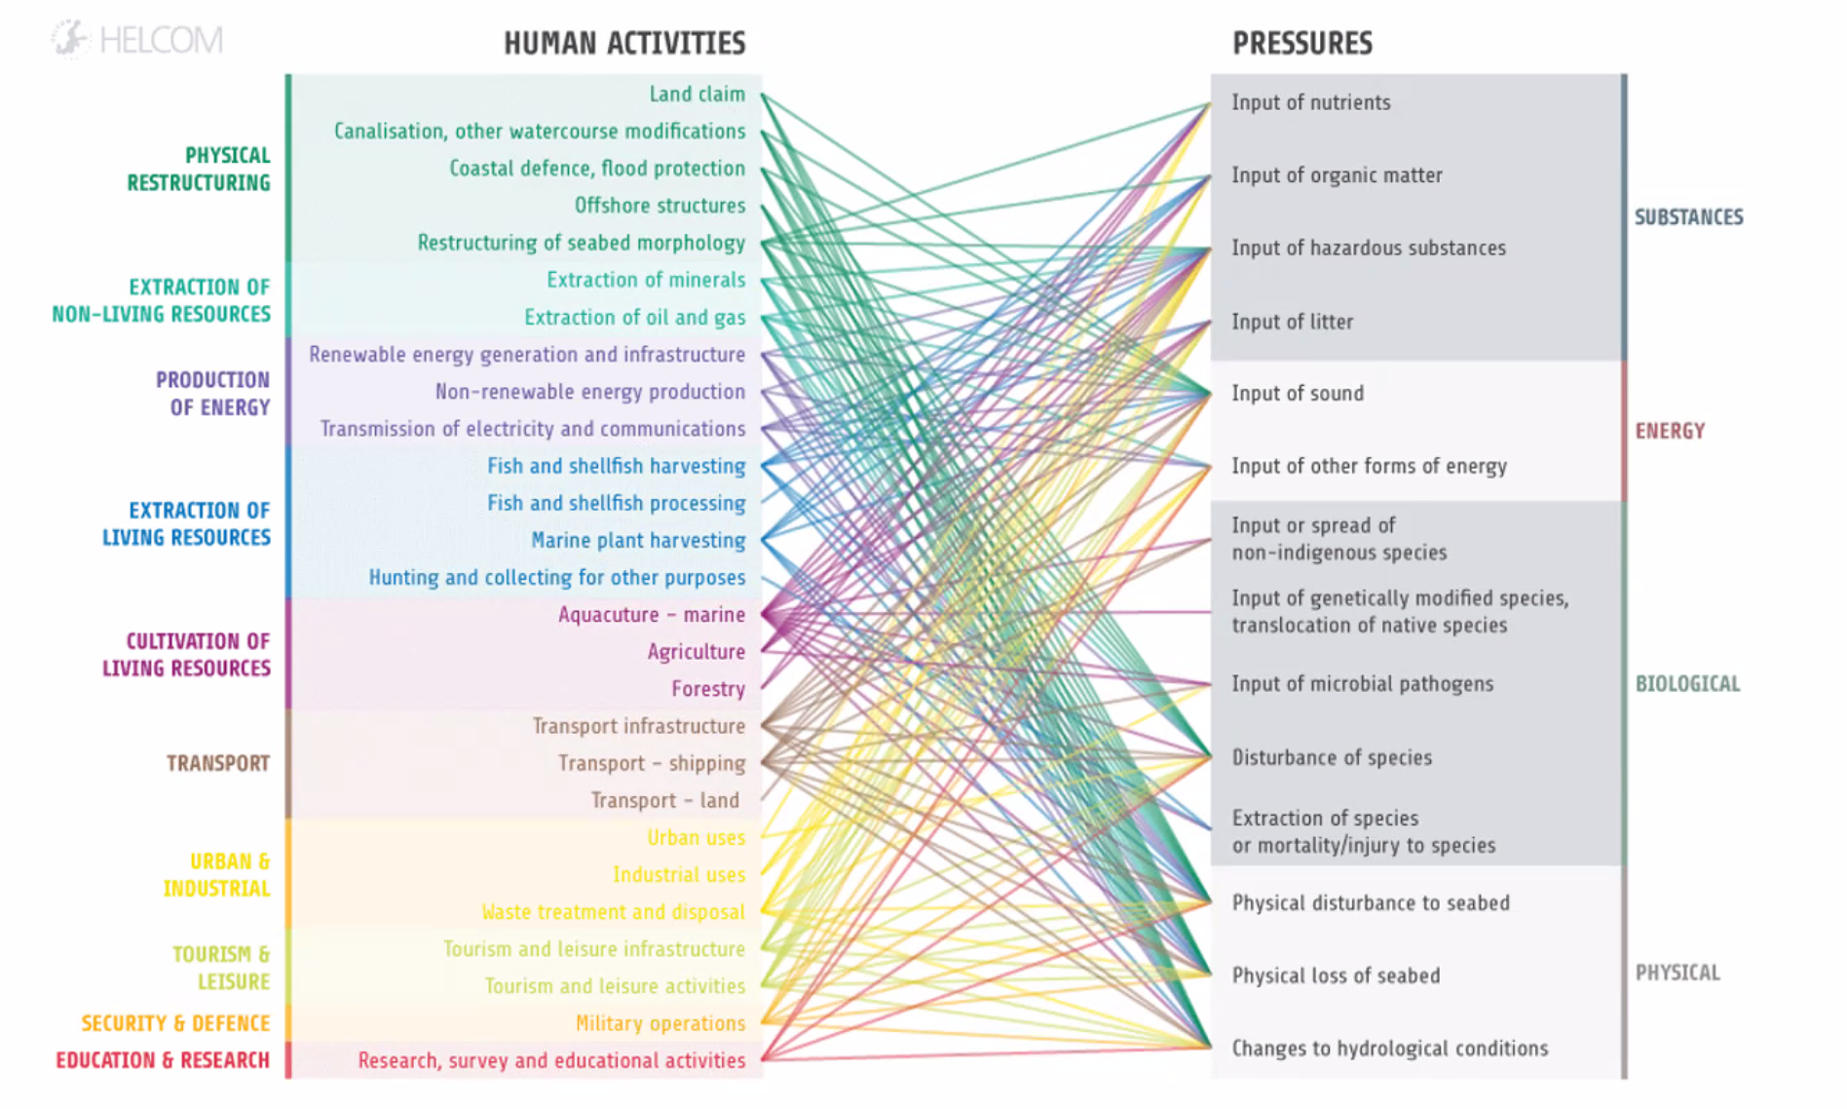
Additional notes
* | Invasive species are a pressure when intended as the introduction, input, dispersion, spread of invasive species in the system, which may have consequences for biodiversity change/loss (e.g., resulting in the loss/decrease of native species (their population and/or fitness) hence predominance of invasive species in the community, as mediated by increased competition). However, it is also possible for 'Increase in invasive species' (specified or just in general) to be a central knot event in the BT, if this is one of the main concerns regarding the change in biodiversity (rather than their specific consequences on other part of the ecosystem).
** | Example of Activities-Pressures links (marine environment, HELCOM)

